Forecasting
Code for producing random Profits for 24 months
The code creates a random profit between the range of -5% (that means a loss of 5%) to 5% and adds it to the previous year's profit.
#include <iostream>
#include <stdlib.h>
using namespace std;
int main()
{
float inc, profit;
profit = 4439.25; //Month 1 profit from Profit Maximization sheet
for (int i=1; i<=24; i++)
{
inc = (rand() % 11) - 5;
cout<<"\n\n profit percentage increase in this month is "<<inc;
inc= (inc/100)+1;
profit = profit*inc;
cout<<"\n profit for month "<<i<<" is "<<profit;
}
return (0);
}
 | Months | Profits |  | Monthly Avg | Monthly Seasonal | 2018 Profits | 2019 Profits | 2020 projected Forecast | Forecast 2020
1 | January | 4483.64 |  | 4320.415 | 1.0030425992 | 52051.75 | 51323.68 | 50595.61 | January | 4229.1293469
2 | February | 4707.82 |  | 4390.93 | 1.0194136073 |  |  |  | February | 4298.1544419
3 | March | 4754.9 |  | 4455.21 | 1.034337076 |  |  |  | March | 4361.0762756
4 | April | 4612.2 |  | 4363.085 | 1.0129490151 |  | Monthly Average | 4216.3008333 | April | 4270.8977763
5 | May | 4427.77 |  | 4353.15 | 1.0106424708 |  |  |  | May | 4261.172692
6 | June | 4383.49 |  | 4437.97 | 1.0303345776 |  |  |  | June | 4344.200538
7 | July | 4164.31 |  | 4260.995 | 0.98924744497 |  |  |  | July | 4170.9648266
8 | August | 4205.96 |  | 4172.88 | 0.96879035957 |  |  |  | August | 4084.7116004
9 | September | 4121.84 |  | 4234.315 | 0.98305332321 |  |  |  | September | 4144.8485459
10 | October | 3956.96 |  | 4217.075 | 0.97905082475 |  |  |  | October | 4127.9728083
11 | November | 4075.67 |  | 4276.43 | 0.99283088835 |  |  |  | November | 4186.0737019
12 | December | 4157.19 |  | 4205.26 | 0.97630781318 |  |  |  | December | 4116.4074463
13 | January | 4157.19
14 | February | 4074.04 | Overall Average | 4307.3095833 | 1
15 | March | 4155.52
16 | April | 4113.97
17 | May | 4278.53
18 | June | 4492.45
19 | July | 4357.68
20 | August | 4139.8
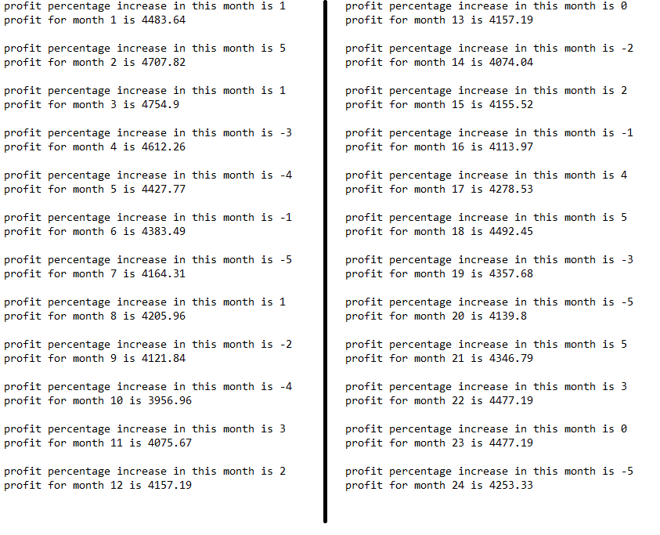
21 | September | 4346.79
22 | October | 4477.19
23 | November | 4477.19
24 | December | 4253.33

Output of the Code

Investments
We want to invest at leaset 25% and at most 40% in low risk stocks. Due to personal reasons we want to invest 25% in Stock 4. All else can be invested in any other available stock. We also only want to invest up to 30% max in any high risk stock.
Monthly Profit (30 days per month assumption) | 4451.0048 | Month 1 profit from Profit Maximization sheet |  |  | Year 1 Profit | 52051.75 | From the forecasting sheet
 |  |  |  |  | Year 2 Profit | 51323.68

Year 1 |  |  |  |  |  |  |  | Year 2
 | Yield | Risk? (High=1, Low=0 | Minimum | Maximum | Max Invested | Return | % return |  | Yield | Risk? (High=1, Low=0 | Minimum | Maximum | Max Invested | Return | % return
Stock 1 | 9.50% | 1 | 0 | 15615.525 | 10410.35 | 4892.8645 | 9.400% | Stock 1 | 9.50% | 1 | 0 | 15397.104 | 10264.736 | 4824.42592 | 9.400%
Stock 2 | 10% | 1 | 0 | 15615.525 | 15615.525 |  |  | Stock 2 | 10% | 1 | 0 | 15397.104 | 15397.104
Stock 3 | 8.75% | 0 | 13012.9375 | 20820.7 | 13012.9375 |  |  | Stock 3 | 8.75% | 0 | 12830.92 | 20529.472 | 12830.92
Stock 4 | 9.25% | 1 | 13012.9375 | 13012.9375 | 13012.9375 |  |  | Stock 4 | 9.25% | 1 | 12830.92 | 12830.92 | 12830.92
Stock 5 | 9% | 1 | 0 | 15615.525 | 0 |  |  | Stock 5 | 9% | 1 | 0 | 15397.104 | 0
 |  |  |  | Total | 52051.75 |  |  |  |  |  |  | Total | 51323.68
 |  |  |  | Total funds available | 52051.75 |  |  |  |  |  |  | Total funds available | 51323.68

